Sheet1
Module | After clicking on top right menu button and selecting App settings, a new screen will be displayed with two sections , 1.General settings: in which we can enable/desable options which are 1. Auto logout, 2. Seat selection, 3. Quick service pop-up forprint bill, 4.Enable kitchen print, 2. Printer setting: here we can enable/disable options which are A.Bill Printer: here we can select print size 50mm and 80mm and when clicked to enable a pop-up will be displayed with two Tabs 1.bluetooth printers: where all bluetooth devices will be listed if connected via bluetooth, we can select one and click "Set printer" to set it, 2.network printer: here wired printer can be set with printers IP address and port number. B.Kitchen: same as Bill printer option we select print size 50mm and 80mm and when clicked to enable same pop-up like Bill printer will be displayed to select kitchen prints. | Screenshot

Login | When Pos app is launched for the first time,user is authorized with user ID/Email ID and password to login. | 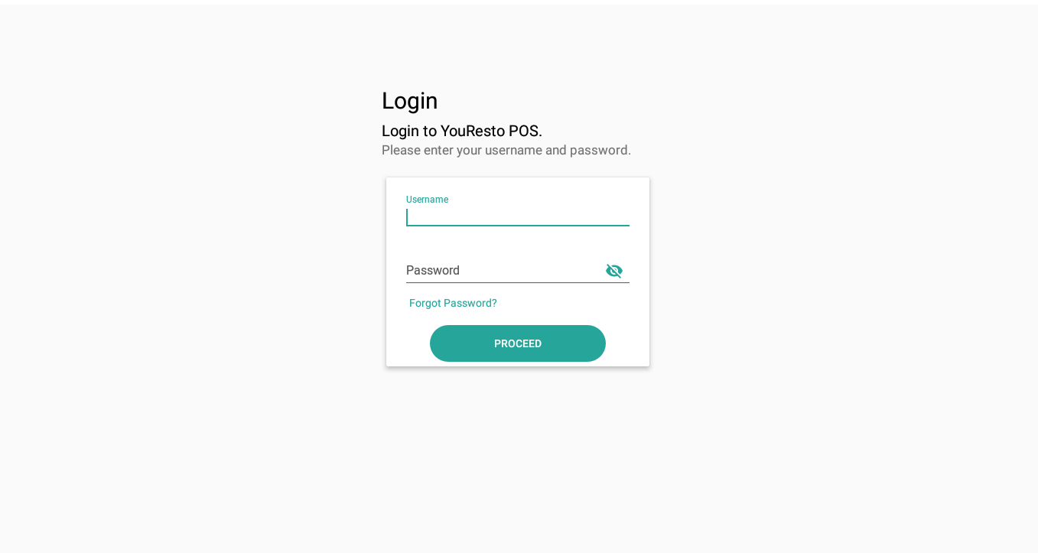

Server login | After Login is successfull, user will be redirected to Server login screen where on left user can choose location and enter secured pin, which will redirect user to Main screen. | 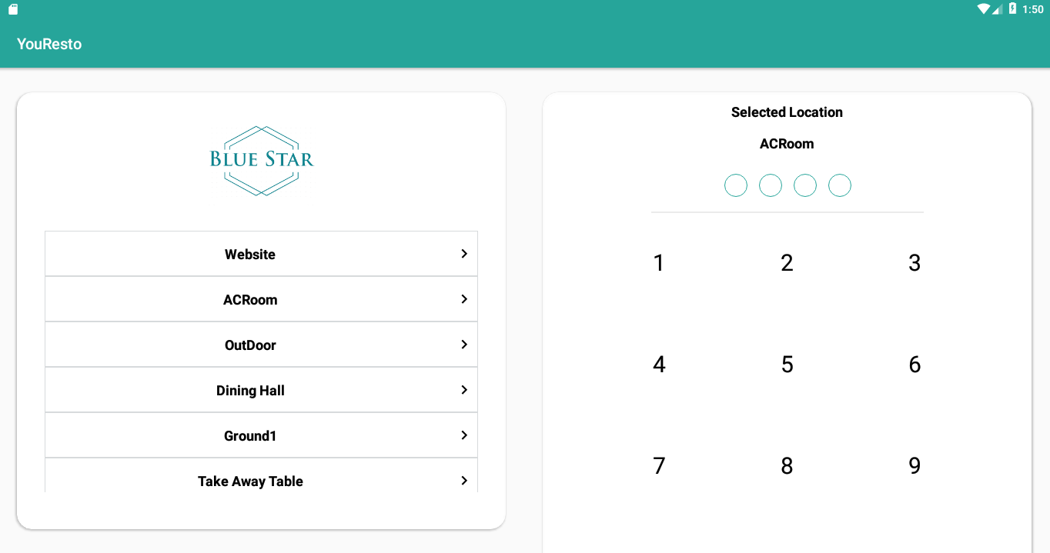

Main screen | When user is on main screen, This main Screen is divided into 3 partitions, 1.TABLES Part: here at first on left Partition only list of tables will be dislpayed as per the location selected for server login. after selecting a table, In middle Partition of screen Products will be displayed. 2. Products Part: here all the available products will be displayed with product image, product name and product price, It can be sorted by selecting "groups" option at top which will show all replace the list of products and show list of Menu groups, after selecting a Menu group from list, current list will be replaced with Category list, after selecting a category, list will be replaced with products respective to its category. When a single product is clicked, A pop up will be dislpayed named profuct detail, where we can add modifiers/add-ons and increase the quantity, also shows description of the product on second tab. On this dialog we can click on "Add to Tab" button to add the product. After adding the product the right partition will display cart screen where cart products will be shown. 3. CART Part: here all the products added to tab will be shown with name, price, modifiers/add-ons, add-on's price, quantity increment/decrement, and remove from cart (delete icon). At the bottum of cart Partition, cart ID, Total price and sub menu button (up arrow) is shown, when clicked on up arrow button three options will appear 1. Print: when clicked a print will be created, 2. Done: when clicked kitchen print will be printed, 3. Close: when clicked will open a pop up dialog name payment where Subtotal, Tax,discounts, Total, Paid, Remaining prices and payment method selector will be shown, user can change the payment amount if needed and click Proceed after total amount is paid, it will generate a bill to print.

Main screen (counter) | When user is on main screen and If Location selected is "Counter", The main screen is divided into two partitions, 1.Pruducts Part: On left two tabs are displayed "Favorites" and "All products", 1.Favorites: all the favorite products will be listed here, in categorised sections, When a single product is clicked, A pop up will be dislpayed named profuct detail, where we can add modifiers/add-ons and increase the quantity, also shows description of the product on second tab. On this dialog we can click on "Add to Tab" button to add the product. After adding the product the right partition will display cart screen where cart products will be shown. 2.All products: here all the available products will be displayed with product image, product name and product price, It can be sorted by selecting "groups" option at top which will show all replace the list of products and show list of Menu groups, after selecting a Menu group from list, current list will be replaced with Category list, after selecting a category, list will be replaced with products respective to its category. When a single product is clicked, A pop up will be dislpayed named profuct detail, where we can add modifiers/add-ons and increase the quantity, also shows description of the product on second tab. On this dialog we can click on "Add to Tab" button to add the product. After adding the product the right partition will display cart screen where cart products will be shown. 3. CART Part: here all the products added to tab will be shown with name, price, modifiers/add-ons, add-on's price, quantity increment/decrement, and remove from cart (delete icon). At the bottum of cart Partition, cart ID, Total price and sub menu button (up arrow) is shown, when clicked on up arrow button three options will appear 1. Print: when clicked a print will be created, 2. Done: when clicked kitchen print will be printed, 3. Close: when clicked will open a pop up dialog name payment where Subtotal, Tax,discounts, Total, P

Pending Orders screen | After clicking on top right menu button and selecting Pending orders, a new screen will be displayed, containing list of pending orders with order Id, Table and Date-Time. clicking on single order from the list will open Main screen with pre- filled order information in Cart Partition. | 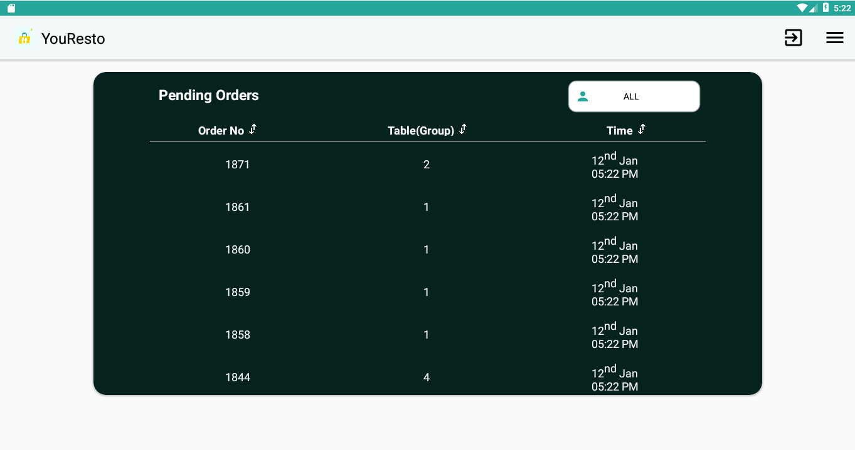 | 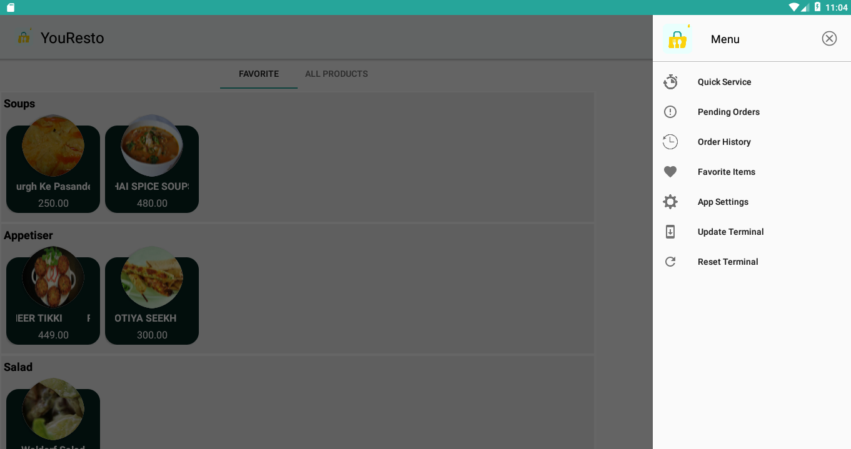

Order history screen | After clicking on top right menu button and selecting Order history, a new screen will be displayed, containing list of old/completed orders which can be sorted by date and time FROM/TO also user can search a order by Order ID. After clicking on single order from the list bill Information will be shown at the right partition of the screen. | 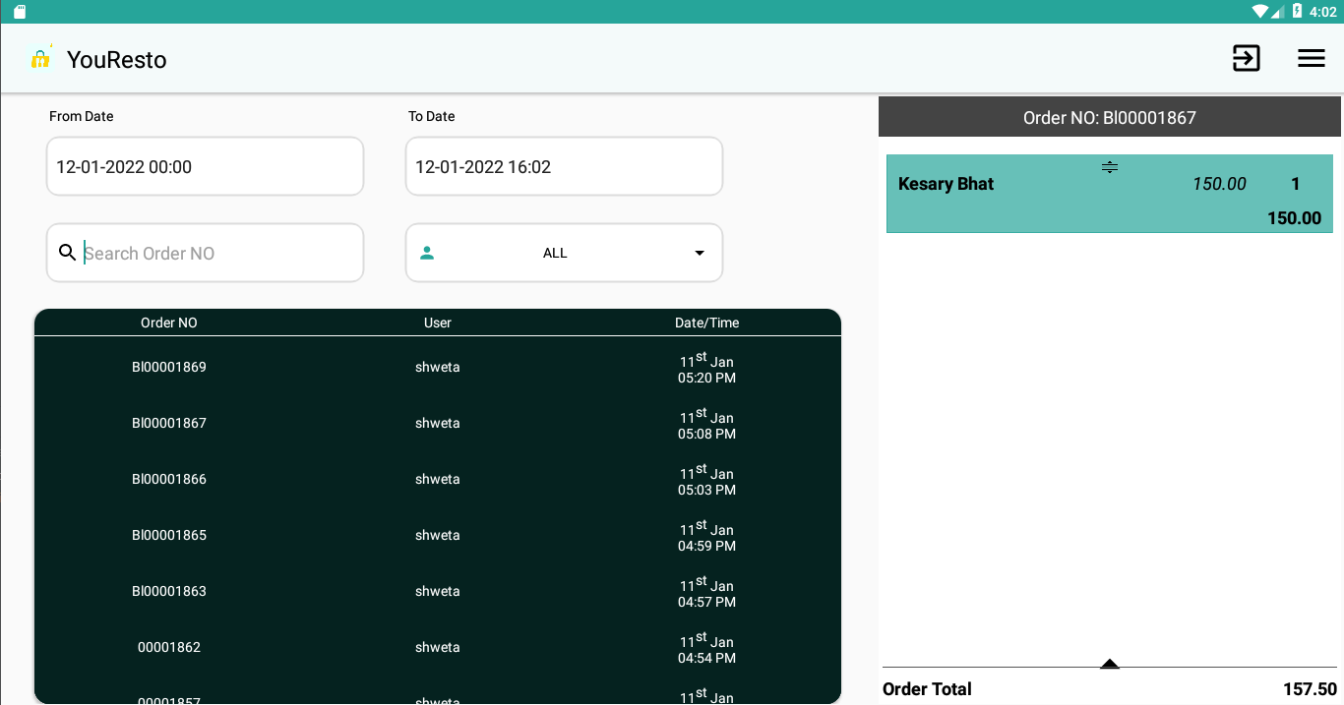

App settings screen | After clicking on top right menu button and selecting App settings, a new screen will be displayed with two sections , 1.General settings: in which we can enable/desable options which are 1. Auto logout, 2. Seat selection, 3. Quick service pop-up forprint bill, 4.Enable kitchen print, 2. Printer setting: here we can enable/disable options which are A.Bill Printer: here we can select print size 50mm and 80mm and when clicked to enable a pop-up will be displayed with two Tabs 1.bluetooth printers: where all bluetooth devices will be listed if connected via bluetooth, we can select one and click "Set printer" to set it, 2.network printer: here wired printer can be set with printers IP address and port number. B.Kitchen: same as Bill printer option we select print size 50mm and 80mm and when clicked to enable same pop-up like Bill printer will be displayed to select kitchen prints. | 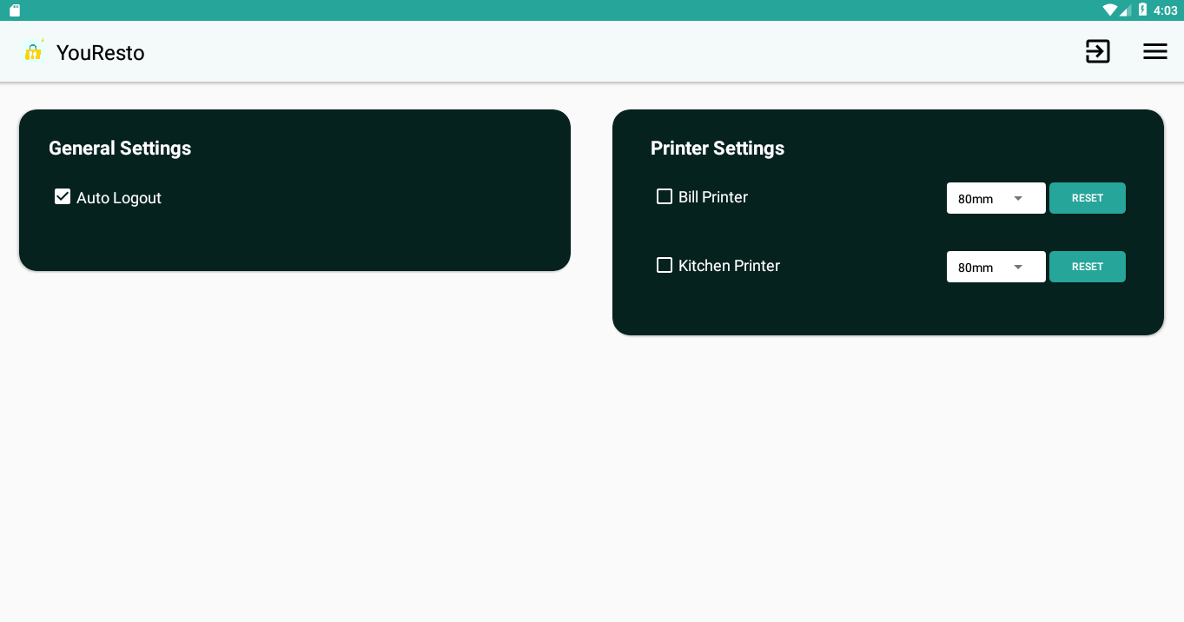 | 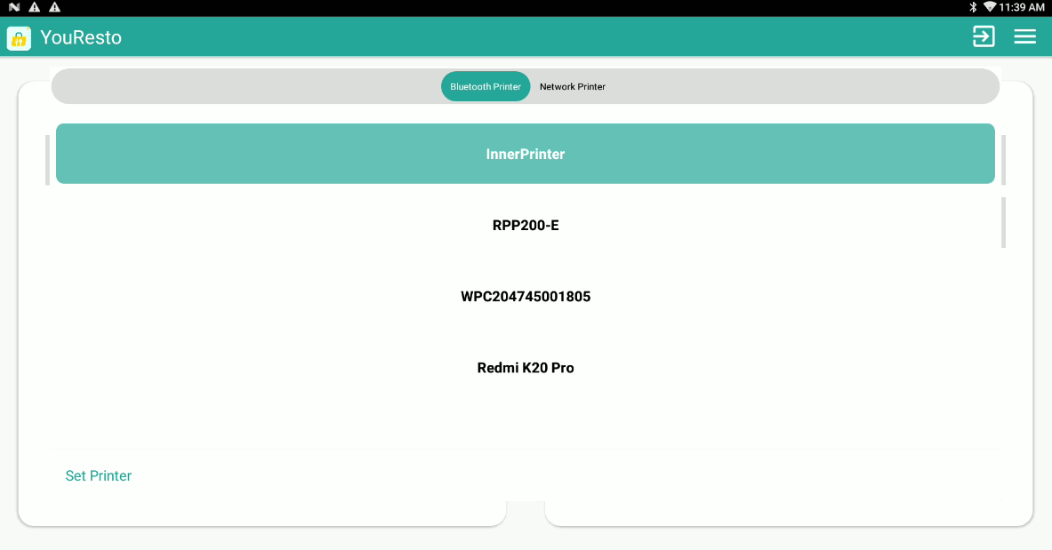 | 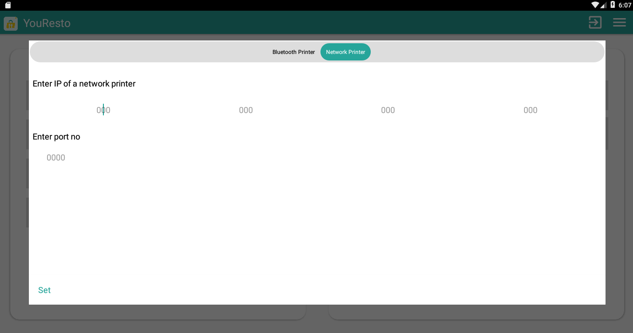

Update terminal screen | After clicking on top right menu button and selecting Update terminal, A alert will appear with prompt "Do you want to update the terminal?" with two option "nope" and "Yes". clicking on "nope" will close the promt and clicking "yes" will show another pop-up with prompt "Restaurant password", user will need to enter the login password and click on "Update" button to Update the terminal (update the local data with server data and user). | 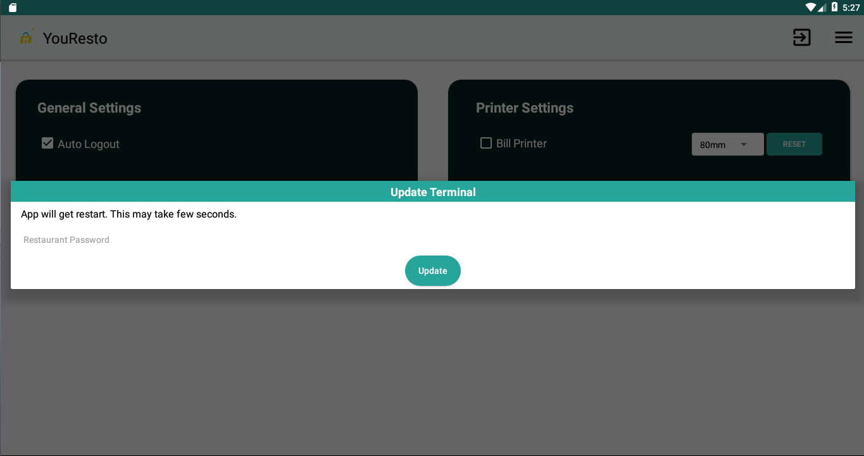

Reset terminal screen | After clicking on top right menu button and selecting Reset terminal, A alert will appear with prompt "Do you want to reset the terminal?" with two option "nope" and "Yes". clicking on "nope" will close the promt and clicking "yes" will show another pop-up with prompt "Restaurant password", user will need to enter the login password and click "Reset" button to Reset the terminal (clear the local data and download server data to save in local).. | 

Favorite items sceen | After clicking on top right menu button and selecting Favorite Items, a new screen will be displayed with tabs categorising products, each tab will contain products sorted respective to its category, user can change category by selecting or swiping the categories on top. clicking on product will select / unselect, all the selected products will be added to favorites. and to update selected favorite items on server, user can click on "Update on server button" on the right bottum. | 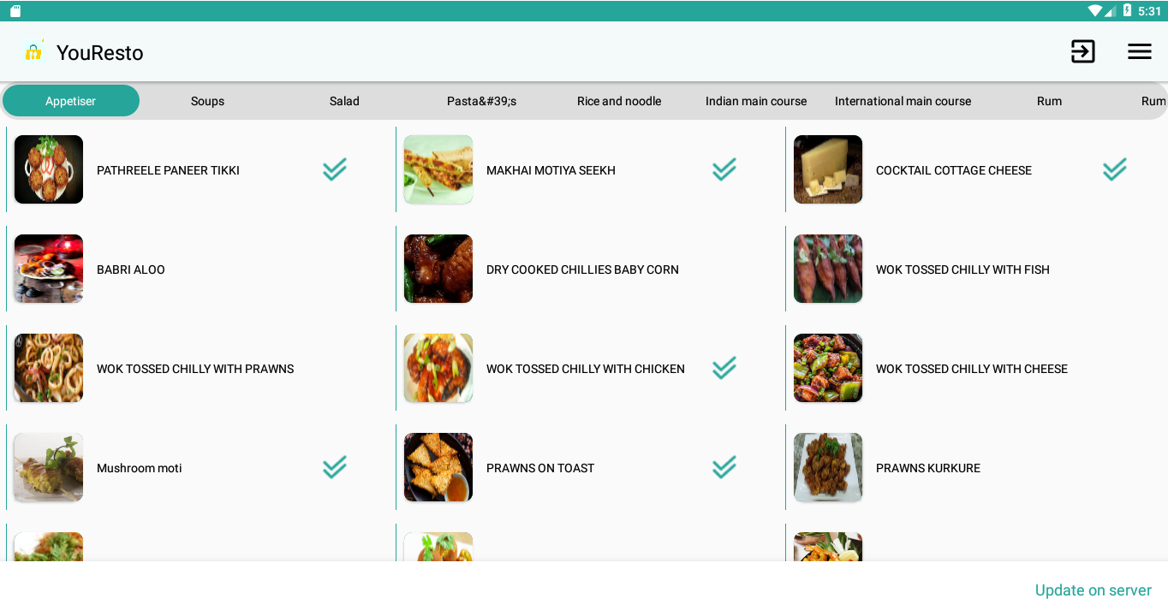

Demo video | Video demo link

